Object diagrams
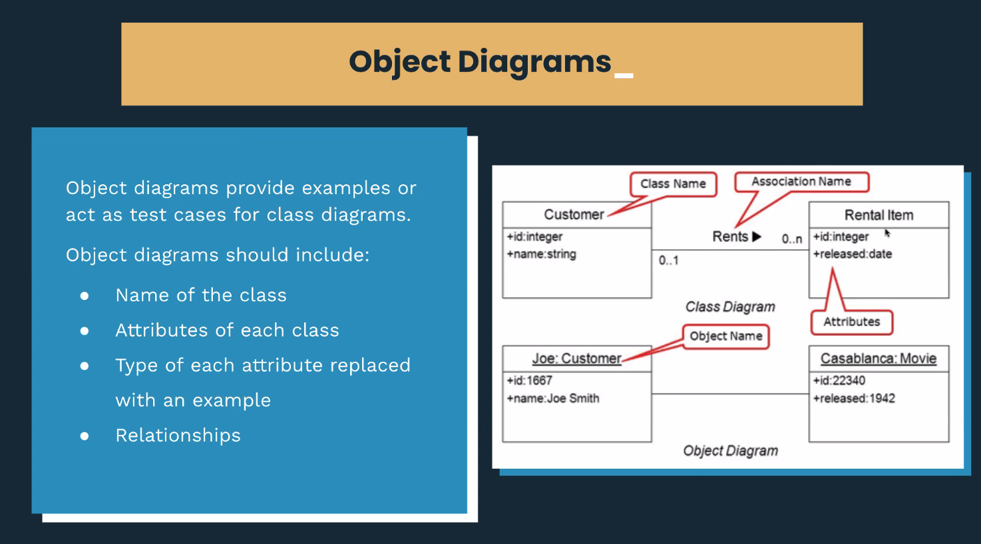

 |  |  |  | Class Diagram

Customer |  | Session |  | Customer | Session | Customer
id | int (initial value None) | id | int (initial value None) | +id: integer | +id: integer | forename: String
forename | string | name | string | +forename: string | +name: string | surname: String
surname | string | type | string | +surname: string | +type: string | membership_status: BOOLEAN
alias | string | date | string | +alias: string | +date: string | membership_level: String
membership_status | string | start time | string | +membership_status: string | +start_time: string
membership_type | string | end time (or duration) | string | +membership_type: string | +end_time: string | book_session()
 |  | capacity | int |  | +capacity: int | upgrade_membership_level()
 |  |  |  |  |  | cancel_membership()

 |  |  |  | Object Diagram

James: Customer |  | Xtreme Zumba: Session |  | James: Customer | Bring Sally Up: Session
id | 3 | id | 8 | +id: 340 | +id: 65
forename | James | name | Bring Sally Up | +forename: James | +name: Bring Sally Up
surname | Mackay | type | High Intensity | +surname: Mackay | +type: Endurance Strength
alias | Jozza | date | 06-04-2021 | +alias: Jezza | +date: 06-04-21
membership_status | Active | start time | 18:00:00 | +membership_status: Active | +start_time: 16:00
membership_type | Silver | end time (or duration) | 19:30:00 | +membership_type: Gold | +end_time: 17:30
 |  | capacity | 4 |  | +capacity: 15

 |  |  |  | x

File Structure
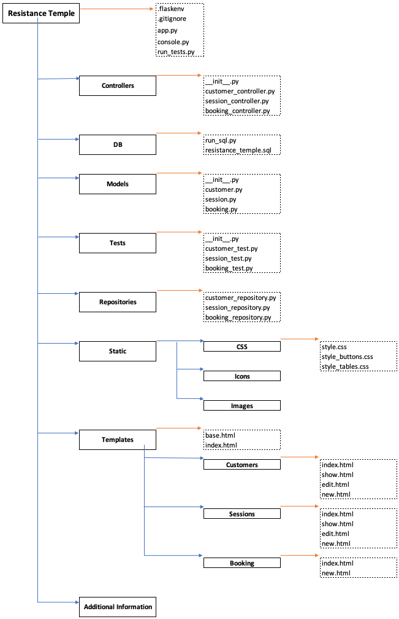
Resistance Temple |  | .flaskenv
 |  | .gitignore
 |  | app.py
 |  | console.py
 |  | run_tests.py

 | Controllers |  | __init__.py
 |  |  | customer_controller.py
 |  |  | session_controller.py
 |  |  | booking_controller.py

 | DB |  | run_sql.py
 |  |  | resistance_temple.sql

 | Models |  | __init__.py
 |  |  | customer.py
 |  |  | session.py
 |  |  | booking.py

 | Tests |  | __init__.py
 |  |  | customer_test.py
 |  |  | session_test.py
 |  |  | booking_test.py

 | Repositories |  | customer_repository.py
 |  |  | session_repository.py
 |  |  | booking_repository.py

 | Static |  | CSS | style.css
 |  |  |  | style_buttons.css
 |  |  |  | style_tables.css
 |  |  | Icons

 |  |  | Images

 | Templates |  | base.html
 |  |  | index.html

 |  |  | Customers | index.html
 |  |  |  | show.html
 |  |  |  | edit.html
 |  |  |  | new.html

 |  |  | Sessions | index.html
 |  |  |  | show.html
 |  |  |  | edit.html
 |  |  |  | new.html

 |  |  | Booking | index.html
 |  |  |  | new.html

 | Additional Information

Sitemap
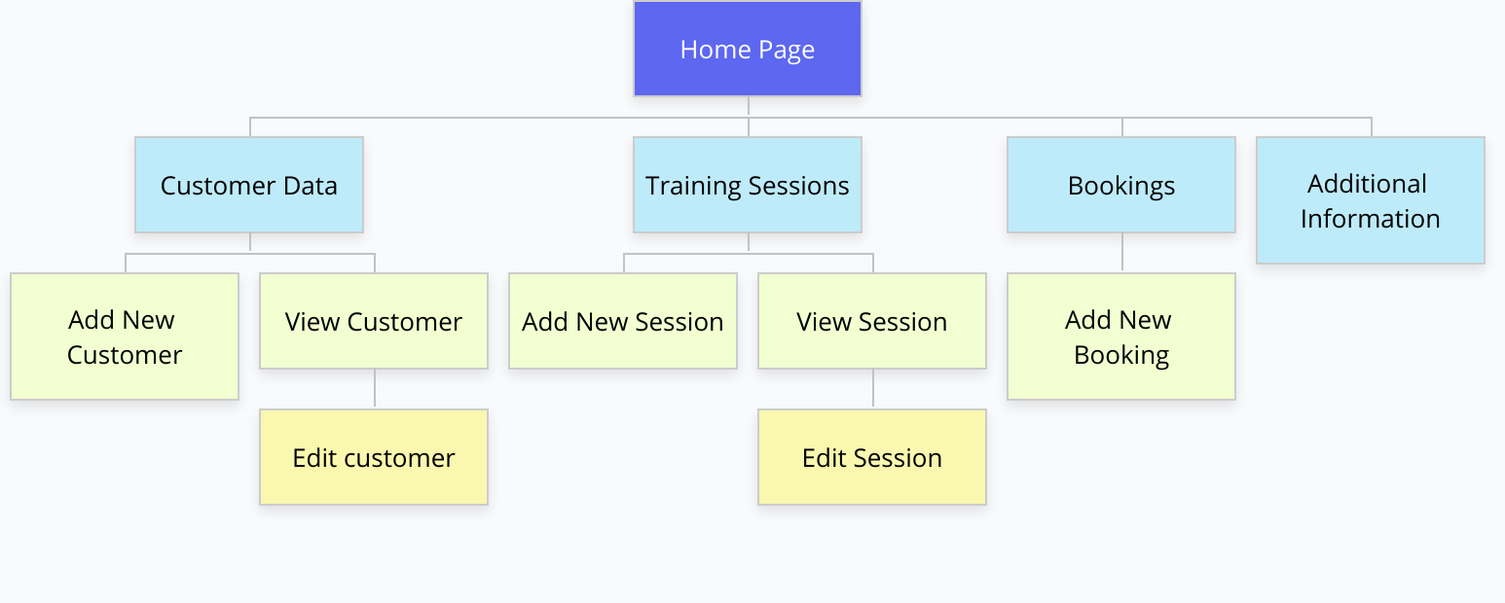

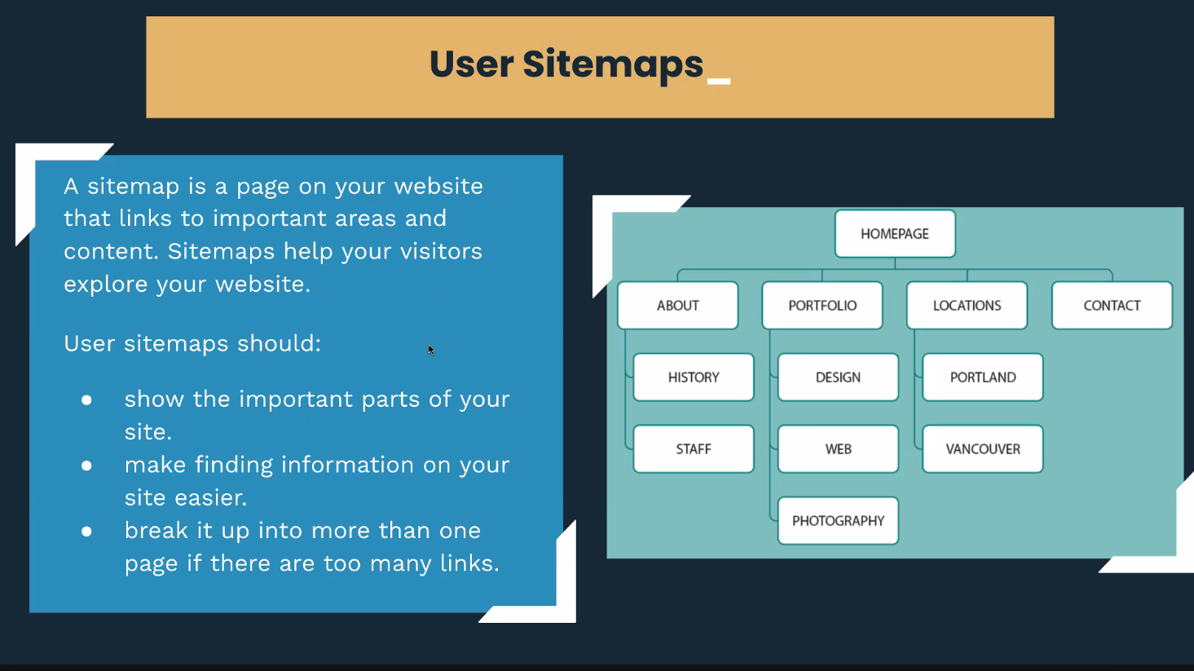

Case Diagrams
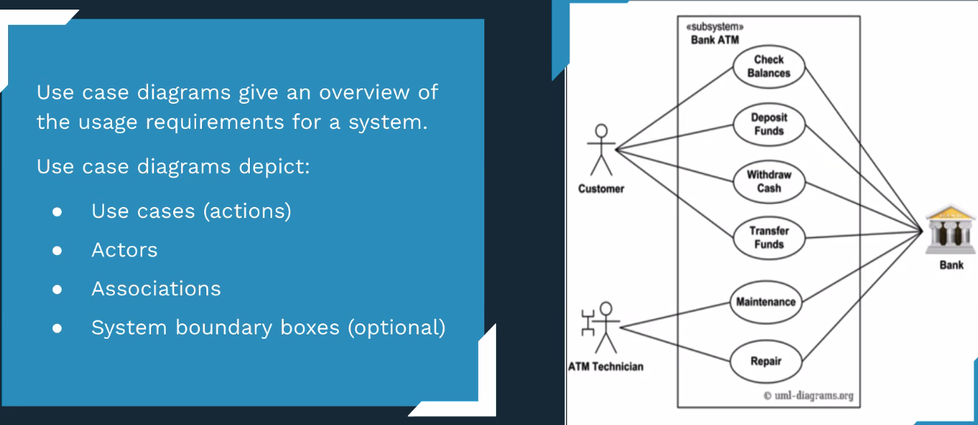

 | View all and individual training sessions

 | View all and individual customers

Staff Member | Book a customer into a training session | Gym

 | Change customer details including membership level and status

 | Add a new customer

 | Add a new training session

 | Change a training session

 | Cancel a training session

Activity Diagrams
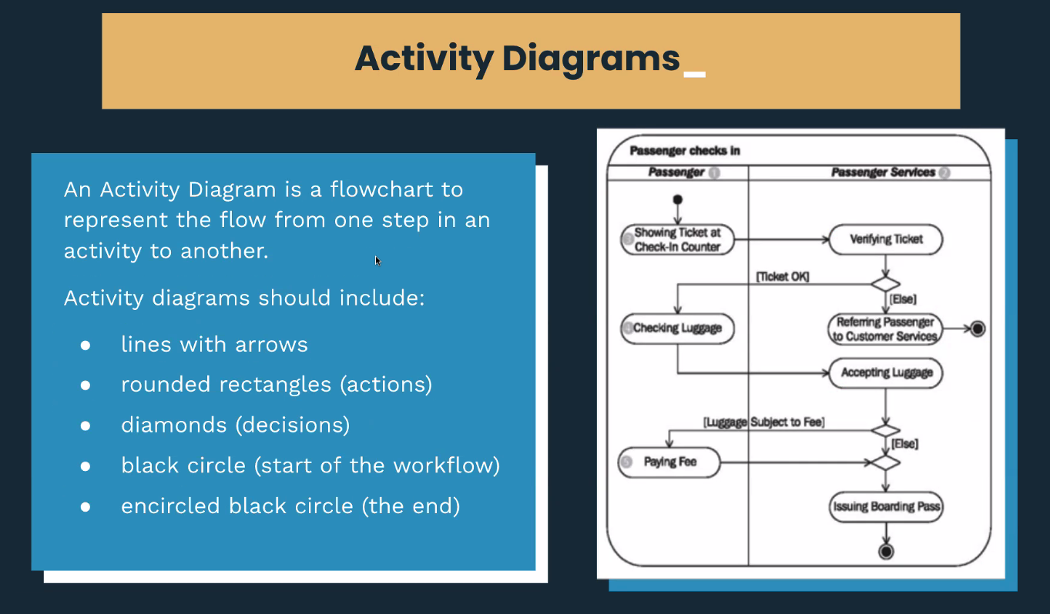

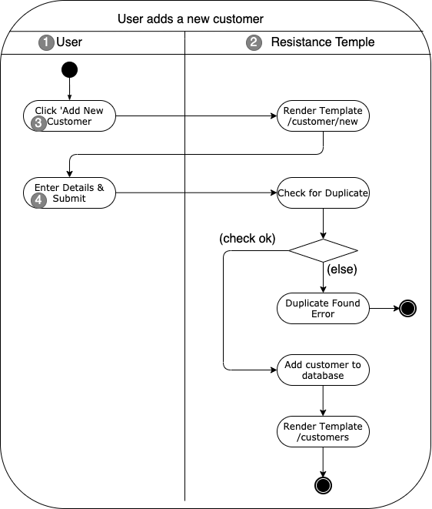

Implementation Constraints
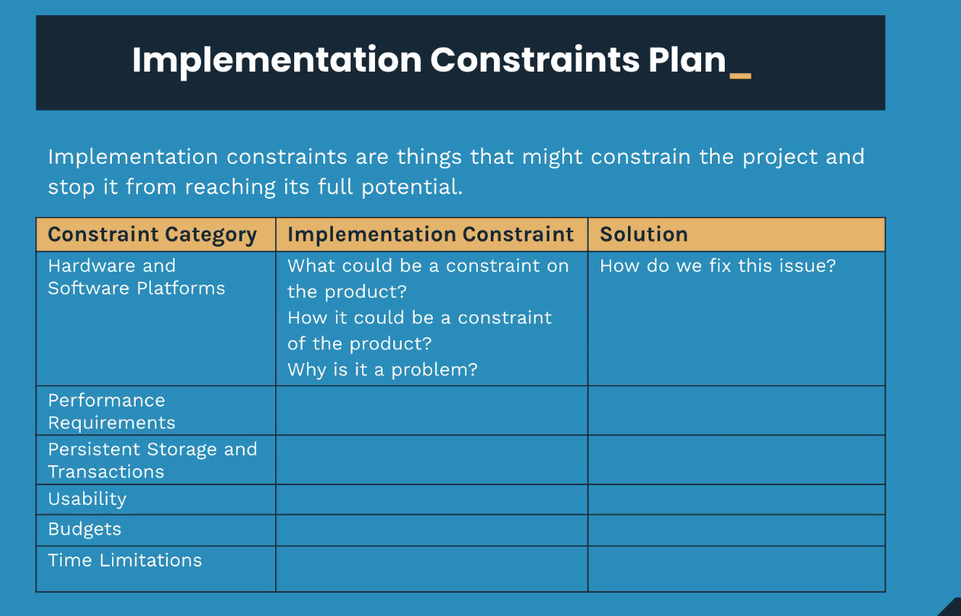

Constraint Category | Implementation Constraint | Solution
Hardware and Software Platforms | 1) Software package issues 2) If hardware damage occurs | 1) Prioritise basic app functionalities before weekend, so support is available to get set up 2) Set up a Git-hub repository, and commit regularly to backup work
Performance Requirement | Logic within HTML slowing page load, and lowering performance | Keep to a minimal. For loops and if statements only
Persistent Storage and Transactions | Data not being stored after submission, or after local server host closes | Use a PSQL database to store added data
Usability | 1) Accidental pressing of delete buttons 2) Popular links requiring multiple steps to get to | 1) Move delete button to side of page, highlight in red, and highlight when hovered upon as additional warning 2) Quick access links for favourites
Budgets | No budget for photography or additional styling | Use stock fonts, icons, and background images
Time Limitations | < 6 days from start, till project due date | *Implement daily milestones to track progress *Utilize TDD to test as we progress *Finish the needed functionality and styling, before starting on the additional wants

